Pivot Tables
Analysis 1 — Energy Consumption by Family Size |  |  |  | Analysis 2 — Appliance Count vs Energy Usage |  |  |  |  | Analysis 3 — Income vs Energy Consumption

Family size | Average of Electricity_Usage (kWh) | Average of Gas_Usage | Average of Total_Energy_Usage | Appliances count | Average of Electricity_Usage (kWh) | Average of Total_Energy_Usage |  |  | Row Labels | Average of Electricity_Usage (kWh) | Average of Gas_Usage | Average of Total_Energy_Usage
5 | 357.0 | 82.0 | 439.0 | 6 | 495.0 | 629.0 |  |  | Middle | 333.2 | 124.7 | 457.8
6 | 211.5 | 159.0 | 370.5 | 9 | 273.5 | 398.5 |  |  | Grand Total | 333.2 | 124.7 | 457.8
7 | 406.3 | 116.0 | 522.3 | 10 | 319.0 | 440.3
Grand Total | 333.2 | 124.7 | 457.8 | Grand Total | 333.2 | 457.8

Average Energy Usage by Income Level

Average Energy Usage by Family Size

Appliances vs Electricity Usage

Analysis 4 — Monthly Energy Consumption

Month | Average of Electricity_Usage (kWh) | Average of Gas_Usage | Average of Total_Energy_Usage
Jan | 426.0 | 108.0 | 534.0
Apr | 211.5 | 159.0 | 370.5 | Analysis 5 — Identify High-Energy Households |  |  | Analyze Why They Are High Consumers
May | 289.0 | 160.0 | 449.0
Jun | 435.0 | 54.0 | 489.0 | Consumption_Level | (All) |  | 1. High Consumers by Family Size
Grand Total | 333.2 | 124.7 | 457.8 |  |  |  | Consumption_Level | High
 |  |  |  | Household_ID | Average of Total_Energy_Usage
 |  |  |  | H004 | 489 |  | Row Labels | Average of Total_Energy_Usage
 |  |  |  | H006 | 439 |  | Large | 533.93
 |  |  |  | Grand Total | 464 |  | Medium | 527.24
 |  |  |  |  |  |  | Small | 546.97
 |  |  |  |  |  |  | Grand Total | 535.02

 |  |  |  |  |  |  | 2.High Consumers by Appliance Level
 |  |  |  |  |  |  | Consumption_Level | High
Monthly Energy Consumption Trend
Top High-Energy Households
 |  |  |  |  |  |  | Row Labels | Average of Total_Energy_Usage
 |  |  |  |  |  |  | High | 527.83
 |  |  |  |  |  |  | Low | 539.42
 |  |  |  |  |  |  | Medium | 537.10
 |  |  |  |  |  |  | Grand Total | 535.02

 |  |  |  |  |  |  | 3. High Consumers by Income Level
 |  |  |  |  |  |  | Consumption_Level | (All)

 |  |  |  |  |  |  | Row Labels | Average of Total_Energy_Usage
 |  |  |  |  |  |  | High | 429.45
 |  |  |  |  |  |  | Low | 399.59
 |  |  |  |  |  |  | Middle | 428.88
 |  |  |  |  |  |  | Grand Total | 424.60

Dashboard
HOUSEHOLD ENERGY CONSUMPTION DASHBOARD

 | 🏠 Total Households | ⚡ Avg Electricity | 🔥 Avg Gas Usage | ⚡ Total Avg Energy | 🚨 High-Energy Households
 | 250 | 301.34 | 123.264 | 424.604 | 120

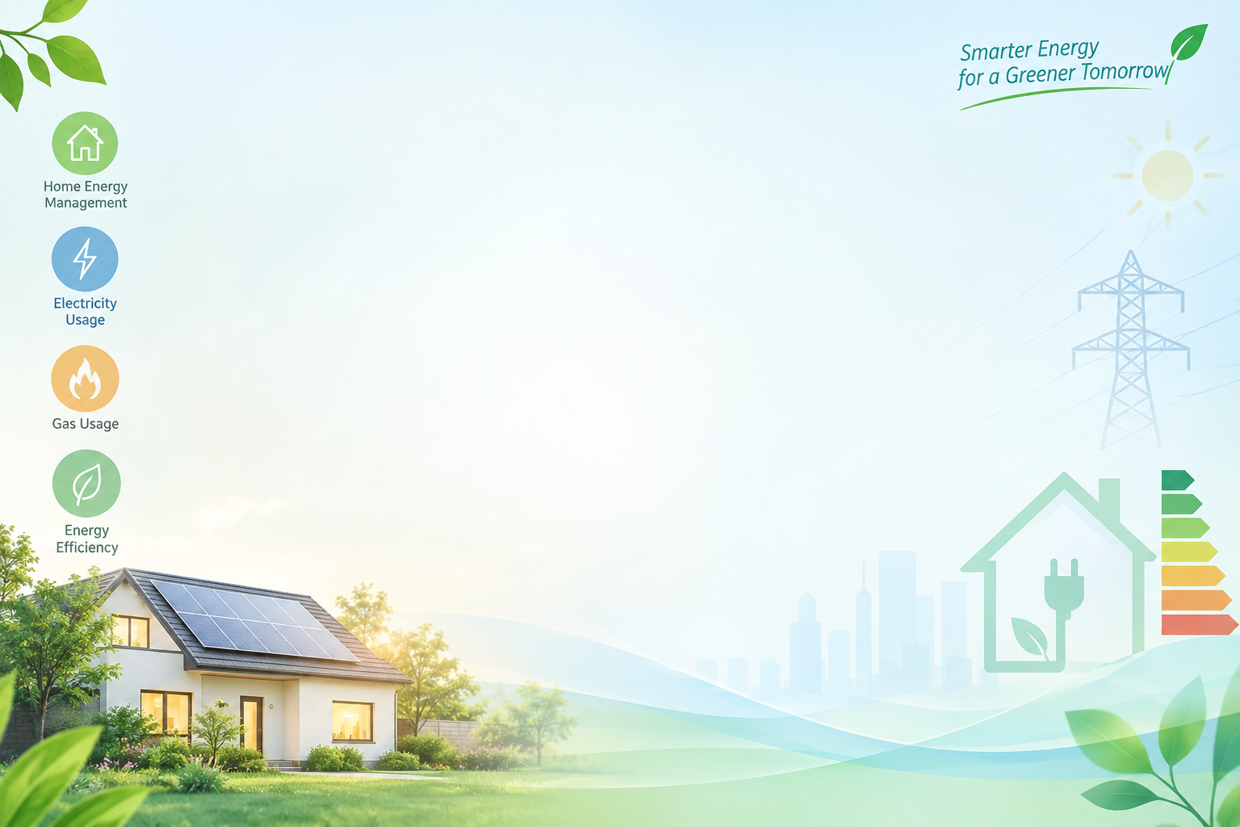
Average Energy Usage by Family Size
 | Average of Electricity_Usage (kWh) | Average of Gas_Usage | Average of Total_Energy_Usage
5 | 357.0 | 82.0 | 439.0
6 | 211.5 | 159.0 | 370.5
7 | 406.3 | 116.0 | 522.3
Monthly Energy Consumption Trend
 | Average of Electricity_Usage (kWh) | Average of Gas_Usage | Average of Total_Energy_Usage
Jan | 426.0 | 108.0 | 534.0
Apr | 211.5 | 159.0 | 370.5
May | 289.0 | 160.0 | 449.0
Jun | 435.0 | 54.0 | 489.0

Average Energy Usage by Income Level
 | Average of Electricity_Usage (kWh) | Average of Gas_Usage | Average of Total_Energy_Usage
Middle | 333.2 | 124.7 | 457.8

Appliances vs Electricity Usage
 | Average of Electricity_Usage (kWh) | Average of Total_Energy_Usage
6 | 495.0 | 629.0
9 | 273.5 | 398.5
10 | 319.0 | 440.3
Top High-Energy Households
 | Total
H004 | 489
H006 | 439

